Ratoon = 2
SimulationName | Zone | Clock.Today | SugarcaneYield | Sugarcane.sucrose_wt | Sugarcane.height
Sugarcane | Field | 2013-03-21 | 4881.58 | 2846.67 | 6000
Sugarcane | Field | 2014-03-16 | 1730.65 | 840.84 | 2660.4732493 | yield = stem | 72673.54 | g/m^2
Sugarcane | Field | 2015-03-11 | 2151.27 | 1115.39 | 3098.6703872 | sucrose weight | 40194.34 | g/m^2
Sugarcane | Field | 2016-03-05 | 2333.46 | 1193.48 | 3409.0048057 | height | 97076.342773 | mm
Sugarcane | Field | 2017-02-28 | 2393.7 | 1228.9 | 3486.1327515
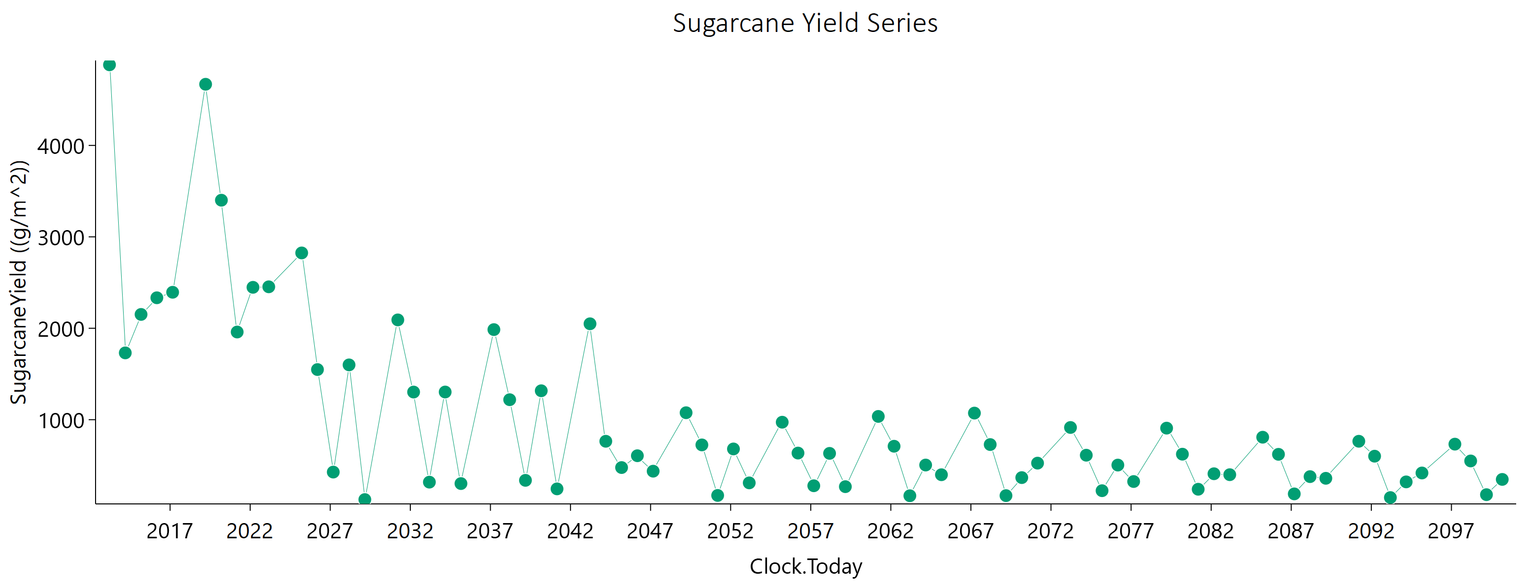
Sugarcane | Field | 2019-03-22 | 4668.78 | 2635.49 | 6000
Sugarcane | Field | 2020-03-16 | 3400.66 | 1731.1 | 4994.4300231
Sugarcane | Field | 2021-03-11 | 1958.91 | 959.97 | 2981.1008948
Sugarcane | Field | 2022-03-06 | 2447.74 | 1270.11 | 3518.6138461
Sugarcane | Field | 2023-03-01 | 2453.4 | 1297.83 | 3452.4814823
Sugarcane | Field | 2025-03-21 | 2823.93 | 2042.38 | 2344.6512599
Sugarcane | Field | 2026-03-16 | 1548.25 | 853.35 | 2079.7139258
Sugarcane | Field | 2027-03-11 | 426.86 | 224.35 | 604.5215285
Sugarcane | Field | 2028-03-05 | 1599.36 | 961.05 | 1912.335959
Sugarcane | Field | 2029-02-28 | 126.38 | 57.16 | 205.00065956
Sugarcane | Field | 2031-03-22 | 2091.48 | 1361.79 | 2189.0707174
Sugarcane | Field | 2032-03-16 | 1302.26 | 758.24 | 1630.1648748
Sugarcane | Field | 2033-03-11 | 316.82 | 171.31 | 435.08080487
Sugarcane | Field | 2034-03-06 | 1302.65 | 764.75 | 1611.5386869
Sugarcane | Field | 2035-03-01 | 301.22 | 155.99 | 433.95810856
Sugarcane | Field | 2037-03-21 | 1985.33 | 1276.07 | 2127.7719079
Sugarcane | Field | 2038-03-16 | 1218.55 | 707.53 | 1531.4501513
Sugarcane | Field | 2039-03-11 | 336.5 | 187.29 | 446.02778165
Sugarcane | Field | 2040-03-05 | 1316.29 | 781.04 | 1603.9339784
Sugarcane | Field | 2041-02-28 | 243.26 | 120.65 | 365.94771
Sugarcane | Field | 2043-03-22 | 2048.96 | 1342.28 | 2120.053281
Sugarcane | Field | 2044-03-16 | 763.86 | 403.81 | 1079.1879956
Sugarcane | Field | 2045-03-11 | 476.39 | 287.87 | 564.99129208
Sugarcane | Field | 2046-03-06 | 605.68 | 297.85 | 922.70889273
Sugarcane | Field | 2047-03-01 | 436.72 | 249.77 | 560.29901052
Sugarcane | Field | 2049-03-21 | 1076.09 | 639.01 | 1311.2461452
Sugarcane | Field | 2050-03-16 | 724.11 | 339.46 | 1153.0151382
Sugarcane | Field | 2051-03-11 | 171.51 | 78.87 | 275.50362943
Sugarcane | Field | 2052-03-05 | 679.93 | 333.25 | 1039.2161369
Sugarcane | Field | 2053-02-28 | 308.75 | 167.08 | 424.48495849
Sugarcane | Field | 2055-03-22 | 972.36 | 551.26 | 1263.2933193
Sugarcane | Field | 2056-03-16 | 634.79 | 301.85 | 998.02299015
Sugarcane | Field | 2057-03-11 | 277.24 | 149.83 | 381.76922826
Sugarcane | Field | 2058-03-06 | 631.53 | 285.41 | 1037.5997146
Sugarcane | Field | 2059-03-01 | 267.34 | 144.48 | 368.20645775
Sugarcane | Field | 2061-03-21 | 1035.7 | 592.41 | 1326.4400884
Sugarcane | Field | 2062-03-16 | 709.5 | 333.56 | 1126.936325
Sugarcane | Field | 2063-03-11 | 168.01 | 87.55 | 240.73005175
Sugarcane | Field | 2064-03-05 | 503.97 | 253.62 | 750.46908437
Sugarcane | Field | 2065-02-28 | 397.91 | 223.63 | 522.57546807
Sugarcane | Field | 2067-03-22 | 1072.03 | 631.07 | 1319.8212171
Sugarcane | Field | 2068-03-16 | 727.96 | 341.7 | 1157.9929667
Sugarcane | Field | 2069-03-11 | 169.45 | 103.36 | 198.02319092
Sugarcane | Field | 2070-03-06 | 366.45 | 196.37 | 509.73524538
Sugarcane | Field | 2071-03-01 | 524.67 | 259.65 | 794.70077528
Sugarcane | Field | 2073-03-21 | 914.71 | 599.21 | 946.51419157
Sugarcane | Field | 2074-03-16 | 611.44 | 277.57 | 1000.8779106
Sugarcane | Field | 2075-03-11 | 223.25 | 126.44 | 290.24555513
Sugarcane | Field | 2076-03-05 | 503.5 | 223.85 | 838.44281881
Sugarcane | Field | 2077-02-28 | 323.63 | 176.38 | 441.47335291
Sugarcane | Field | 2079-03-22 | 907.57 | 530.63 | 1129.2429064
Sugarcane | Field | 2080-03-16 | 622.58 | 277.7 | 1033.8693576
Sugarcane | Field | 2081-03-11 | 239.03 | 132.62 | 315.47805956
Sugarcane | Field | 2082-03-06 | 408.65 | 216.67 | 575.58913854
Sugarcane | Field | 2083-03-01 | 398.39 | 197.66 | 601.85998255
Sugarcane | Field | 2085-03-21 | 808.18 | 459.28 | 1046.7116359
Sugarcane | Field | 2086-03-16 | 621.06 | 289.27 | 994.58319903
Sugarcane | Field | 2087-03-11 | 188.33 | 102.57 | 257.04975497
Sugarcane | Field | 2088-03-05 | 377.19 | 196.99 | 540.25670853
Sugarcane | Field | 2089-02-28 | 358.82 | 180.69 | 534.1371186
Sugarcane | Field | 2091-03-22 | 763.95 | 426.1 | 1013.5602402
Sugarcane | Field | 2092-03-16 | 600.75 | 266.2 | 1002.8870359
Sugarcane | Field | 2093-03-11 | 148.12 | 76.37 | 214.97355351
Sugarcane | Field | 2094-03-06 | 319.61 | 166.33 | 459.56570034
Sugarcane | Field | 2095-03-01 | 417 | 196.96 | 659.83635721
Sugarcane | Field | 2097-03-21 | 732.38 | 432.83 | 898.67085882
Sugarcane | Field | 2098-03-16 | 548.63 | 240.28 | 924.33424402
Sugarcane | Field | 2099-03-11 | 179.88 | 89.6 | 270.5647606
Sugarcane | Field | 2100-03-06 | 346.69 | 174.41 | 516.52023363

Ratoon = 3
SimulationName | Zone | Clock.Today | SugarcaneYield | Sugarcane.sucrose_wt | Sugarcane.height
Sugarcane | Field | 2014-03-16 | 5209.71 | 3174.09 | 6000 | yield = stem | 58923.47 | g/m^2
Sugarcane | Field | 2015-03-11 | 2275.54 | 1163.37 | 3326.0448298 | sucrose weight | 33842.35 | g/m^2
Sugarcane | Field | 2016-03-05 | 2087.33 | 1030.52 | 3155.2127095 | height | 73280.003376 | mm
Sugarcane | Field | 2017-02-28 | 2494.78 | 1228.01 | 3790.018354
Sugarcane | Field | 2018-02-23 | 1666.99 | 790.48 | 2621.8890141
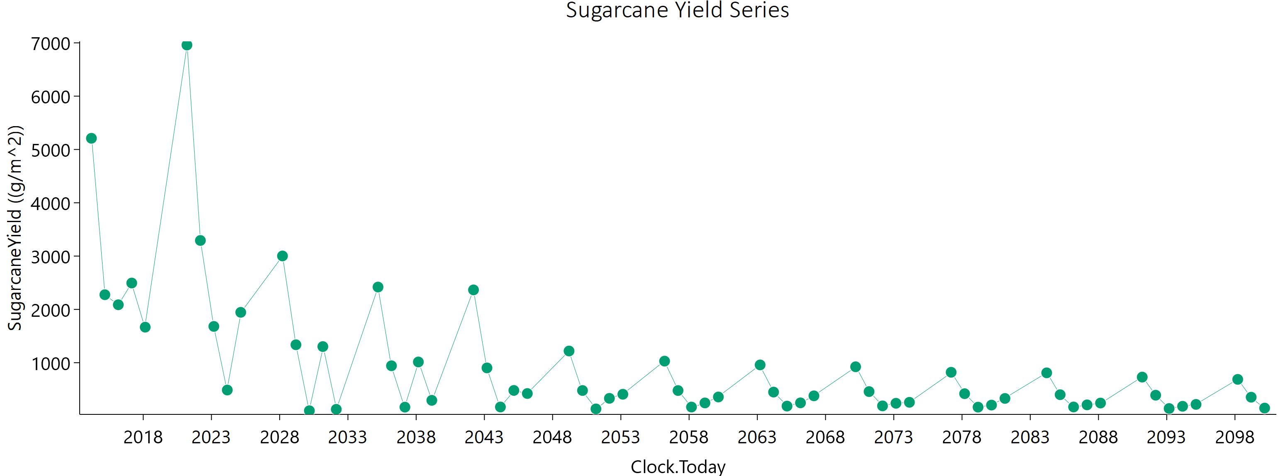
Sugarcane | Field | 2021-03-16 | 6959.19 | 4385.28 | 6000
Sugarcane | Field | 2022-03-11 | 3292.97 | 1703.46 | 4754.8524324
Sugarcane | Field | 2023-03-06 | 1681.03 | 862.57 | 2445.5996509
Sugarcane | Field | 2024-02-29 | 487.83 | 245.29 | 721.74477764
Sugarcane | Field | 2025-02-23 | 1945.16 | 1118.88 | 2476.2626882
Sugarcane | Field | 2028-03-16 | 3002.46 | 2317.26 | 2053.1050043
Sugarcane | Field | 2029-03-11 | 1337.34 | 770.91 | 1697.5828567
Sugarcane | Field | 2030-03-06 | 99.71 | 43.31 | 166.62726177
Sugarcane | Field | 2031-03-01 | 1302.89 | 752.77 | 1648.9381578
Sugarcane | Field | 2032-02-24 | 126.01 | 56.89 | 205.18489197
Sugarcane | Field | 2035-03-17 | 2419.47 | 1673.6 | 2234.1535332
Sugarcane | Field | 2036-03-11 | 942.87 | 522.48 | 1260.1669119
Sugarcane | Field | 2037-03-06 | 166.93 | 75.84 | 268.84658904
Sugarcane | Field | 2038-03-01 | 1014.25 | 559.52 | 1362.7571766
Sugarcane | Field | 2039-02-24 | 294.54 | 148.45 | 436.44910533
Sugarcane | Field | 2042-03-16 | 2366.16 | 1664.81 | 2100.5615114
Sugarcane | Field | 2043-03-11 | 902.88 | 504.88 | 1192.8756502
Sugarcane | Field | 2044-03-05 | 169.78 | 84.06 | 255.96788258
Sugarcane | Field | 2045-02-28 | 480.2 | 270.84 | 627.82999865
Sugarcane | Field | 2046-02-23 | 422.41 | 220.15 | 606.29489137
Sugarcane | Field | 2049-03-16 | 1219.9 | 791.66 | 1283.4907192
Sugarcane | Field | 2050-03-11 | 479.13 | 197.92 | 843.06947297
Sugarcane | Field | 2051-03-06 | 133.85 | 55 | 234.15627421
Sugarcane | Field | 2052-02-29 | 331.79 | 182.89 | 446.48215572
Sugarcane | Field | 2053-02-23 | 408.46 | 200.2 | 624.50531029
Sugarcane | Field | 2056-03-16 | 1029.91 | 690.73 | 1016.482738
Sugarcane | Field | 2057-03-11 | 478.32 | 203.12 | 825.05040706
Sugarcane | Field | 2058-03-06 | 168.53 | 81.31 | 261.05433166
Sugarcane | Field | 2059-03-01 | 245.95 | 122.51 | 370.15706304
Sugarcane | Field | 2060-02-24 | 357.52 | 166.63 | 572.30970957
Sugarcane | Field | 2063-03-17 | 958.9 | 608.59 | 1050.2067197
Sugarcane | Field | 2064-03-11 | 449.29 | 197.45 | 754.97625638
Sugarcane | Field | 2065-03-06 | 186.66 | 103 | 250.81478042
Sugarcane | Field | 2066-03-01 | 247.35 | 127.07 | 360.69424199
Sugarcane | Field | 2067-02-24 | 378.99 | 177.6 | 596.13116952
Sugarcane | Field | 2070-03-16 | 924.01 | 564.72 | 1077.4547453
Sugarcane | Field | 2071-03-11 | 458.52 | 202.95 | 766.16036142
Sugarcane | Field | 2072-03-05 | 190.66 | 107.03 | 250.74316739
Sugarcane | Field | 2073-02-28 | 239.39 | 121.92 | 352.24974052
Sugarcane | Field | 2074-02-23 | 257.58 | 122.74 | 404.22074033
Sugarcane | Field | 2077-03-16 | 820.72 | 507.25 | 939.92713181
Sugarcane | Field | 2078-03-11 | 419.18 | 175.66 | 730.10062391
Sugarcane | Field | 2079-03-06 | 166.79 | 85.8 | 242.70134295
Sugarcane | Field | 2080-02-29 | 205.28 | 98.21 | 321.07157356
Sugarcane | Field | 2081-02-23 | 330.18 | 171.9 | 467.96043478
Sugarcane | Field | 2084-03-16 | 810.38 | 469.85 | 1021.4348309
Sugarcane | Field | 2085-03-11 | 400.39 | 168.19 | 696.11226884
Sugarcane | Field | 2086-03-06 | 170.01 | 84.82 | 255.33403551
Sugarcane | Field | 2087-03-01 | 209.61 | 99.52 | 330.15653433
Sugarcane | Field | 2088-02-24 | 243.92 | 115.83 | 384.16429895
Sugarcane | Field | 2091-03-17 | 730.26 | 440.92 | 867.53730083
Sugarcane | Field | 2092-03-11 | 390.88 | 157.17 | 700.69153564
Sugarcane | Field | 2093-03-06 | 141.09 | 64.2 | 230.46645407
Sugarcane | Field | 2094-03-01 | 183.04 | 89.28 | 281.18452002
Sugarcane | Field | 2095-02-24 | 218.3 | 101.73 | 349.60373563
Sugarcane | Field | 2098-03-16 | 687.87 | 412.02 | 827.16708842
Sugarcane | Field | 2099-03-11 | 353.08 | 139.1 | 641.54958847
Sugarcane | Field | 2100-03-06 | 149.35 | 68.14 | 243.46409274

Ratoon = 4
SimulationName | Zone | Clock.Today | SugarcaneYield | Sugarcane.sucrose_wt | Sugarcane.height
Sugarcane | Field | 2015-03-11 | 9886.29 | 7210.7 | 6000 | yield = stem | 65523.57 | g/m^2
Sugarcane | Field | 2016-03-05 | 2244.39 | 1097.02 | 3425.4840809 | sucrose weight | 43066.76 | g/m^2
Sugarcane | Field | 2017-02-28 | 2282.23 | 1164.29 | 3346.3223441 | height | 59624.556918 | mm
Sugarcane | Field | 2018-02-23 | 1569.21 | 738.25 | 2485.5556959
Sugarcane | Field | 2019-02-18 | 2827.58 | 1406.13 | 4255.8404271
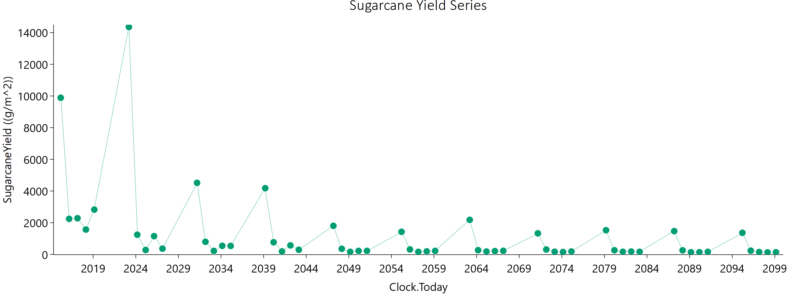
Sugarcane | Field | 2023-03-11 | 14354.11 | 10482.77 | 6000
Sugarcane | Field | 2024-03-05 | 1243.03 | 729.22 | 1540.049939
Sugarcane | Field | 2025-02-28 | 279.21 | 129.53 | 446.17297831
Sugarcane | Field | 2026-02-23 | 1151.81 | 608.27 | 1627.3331686
Sugarcane | Field | 2027-02-18 | 363.1 | 165.35 | 588.93289512
Sugarcane | Field | 2031-03-11 | 4515.27 | 3516.28 | 2992.3988193
Sugarcane | Field | 2032-03-05 | 794.02 | 418.35 | 1125.3903551
Sugarcane | Field | 2033-02-28 | 220.01 | 106.83 | 337.43739783
Sugarcane | Field | 2034-02-23 | 541.35 | 262.14 | 833.2145264
Sugarcane | Field | 2035-02-18 | 536.02 | 269.97 | 795.05355327
Sugarcane | Field | 2039-03-11 | 4177.47 | 3283.69 | 2676.8809634
Sugarcane | Field | 2040-03-05 | 766.52 | 418.61 | 1042.3484305
Sugarcane | Field | 2041-02-28 | 187.81 | 85.74 | 303.89075936
Sugarcane | Field | 2042-02-23 | 567.96 | 282.49 | 853.69612654
Sugarcane | Field | 2043-02-18 | 292.74 | 147.2 | 436.23538813
Sugarcane | Field | 2047-03-11 | 1804.17 | 1281.2 | 1567.0934414
Sugarcane | Field | 2048-03-05 | 353.76 | 156.87 | 590.30759685
Sugarcane | Field | 2049-02-28 | 160.24 | 73.2 | 260.31027466
Sugarcane | Field | 2050-02-23 | 219.86 | 109.65 | 330.34299964
Sugarcane | Field | 2051-02-18 | 221.42 | 99.86 | 363.9273415
Sugarcane | Field | 2055-03-11 | 1425.69 | 1003.39 | 1265.40814
Sugarcane | Field | 2056-03-05 | 316.42 | 133.61 | 548.14083618
Sugarcane | Field | 2057-02-28 | 159.08 | 71.83 | 261.24546675
Sugarcane | Field | 2058-02-23 | 189.99 | 83.2 | 320.01312427
Sugarcane | Field | 2059-02-18 | 220.45 | 103.37 | 351.11917784
Sugarcane | Field | 2063-03-11 | 2180.8 | 1421.1 | 2276.9373563
Sugarcane | Field | 2064-03-05 | 265.99 | 112.67 | 459.66655238
Sugarcane | Field | 2065-02-28 | 179 | 95.54 | 250.22102833
Sugarcane | Field | 2066-02-23 | 206.13 | 105.26 | 302.47998721
Sugarcane | Field | 2067-02-18 | 225.23 | 97.32 | 379.2099033
Sugarcane | Field | 2071-03-11 | 1328.42 | 956.39 | 1114.7248527
Sugarcane | Field | 2072-03-05 | 309.4 | 136.39 | 518.71874578
Sugarcane | Field | 2073-02-28 | 167.86 | 91.98 | 227.56624399
Sugarcane | Field | 2074-02-23 | 149.54 | 67.24 | 246.50285775
Sugarcane | Field | 2075-02-18 | 181.81 | 87.26 | 283.560244
Sugarcane | Field | 2079-03-11 | 1526.41 | 1152.8 | 1118.6688189
Sugarcane | Field | 2080-03-05 | 260.76 | 104.08 | 469.77626148
Sugarcane | Field | 2081-02-28 | 164.06 | 83.91 | 237.93936204
Sugarcane | Field | 2082-02-23 | 179.21 | 89.84 | 268.01242526
Sugarcane | Field | 2083-02-18 | 163.32 | 67.83 | 286.2002167
Sugarcane | Field | 2087-03-11 | 1468.49 | 1130.74 | 1011.6685099
Sugarcane | Field | 2088-03-05 | 257.23 | 107.01 | 450.38121357
Sugarcane | Field | 2089-02-28 | 135.99 | 66.62 | 207.98256332
Sugarcane | Field | 2090-02-23 | 138.78 | 60.82 | 233.61252951
Sugarcane | Field | 2091-02-18 | 160.57 | 74.79 | 257.2212905
Sugarcane | Field | 2095-03-11 | 1362.43 | 1047.94 | 941.99395259
Sugarcane | Field | 2096-03-05 | 232.2 | 86.58 | 436.61531774
Sugarcane | Field | 2097-02-28 | 148.74 | 74.44 | 222.79844474
Sugarcane | Field | 2098-02-23 | 125.48 | 54.51 | 212.67981316
Sugarcane | Field | 2099-02-18 | 134.51 | 54.69 | 239.2721789

Ratoon = 5
SimulationName | Zone | Clock.Today | SugarcaneYield | Sugarcane.sucrose_wt | Sugarcane.height
Sugarcane | Field | 2016-03-05 | 12794.72 | 9412.04 | 6000
Sugarcane | Field | 2017-02-28 | 2512.05 | 1227.69 | 3844.4551338 | yield = stem | 78576 | g/m^2
Sugarcane | Field | 2018-02-23 | 1399.26 | 637.68 | 2277.9591064 | sucrose weight | 55982.81 | g/m^2
Sugarcane | Field | 2019-02-18 | 2199.85 | 1143.79 | 3161.5101537 | height | 57886.620785 | mm
Sugarcane | Field | 2020-02-13 | 2202.38 | 1172.59 | 3074.0932433
Sugarcane | Field | 2025-03-06 | 20410.59 | 16527.53 | 6000
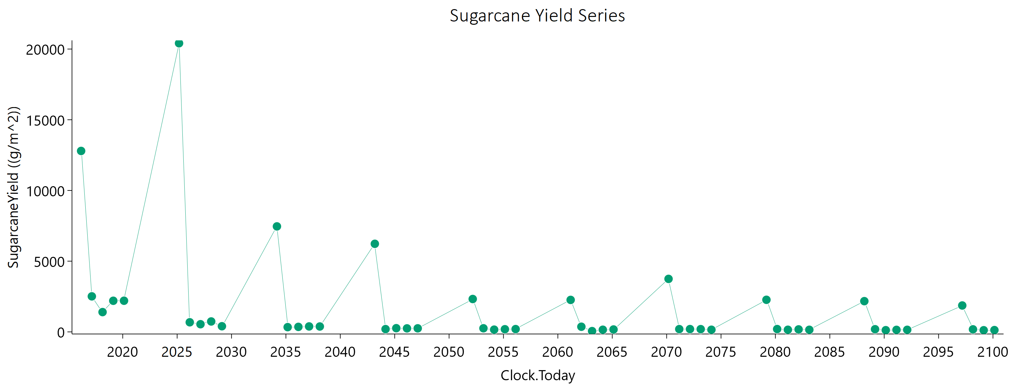
Sugarcane | Field | 2026-03-01 | 678.48 | 353.1 | 973.72629256
Sugarcane | Field | 2027-02-24 | 542.04 | 267.8 | 819.81860577
Sugarcane | Field | 2028-02-19 | 736.5 | 368.28 | 1100.4377597
Sugarcane | Field | 2029-02-13 | 398.76 | 171.87 | 675.32058166
Sugarcane | Field | 2034-03-06 | 7459.34 | 5760.37 | 5091.0455493
Sugarcane | Field | 2035-03-01 | 335.44 | 176.65 | 474.71895247
Sugarcane | Field | 2036-02-24 | 353.88 | 172.7 | 541.48962692
Sugarcane | Field | 2037-02-18 | 385.01 | 183.62 | 601.65195159
Sugarcane | Field | 2038-02-13 | 380.82 | 167.04 | 637.70374727
Sugarcane | Field | 2043-03-06 | 6227.66 | 4877.06 | 4046.6762621
Sugarcane | Field | 2044-02-29 | 195.72 | 93.95 | 305.11264236
Sugarcane | Field | 2045-02-23 | 260.76 | 136.65 | 372.05800254
Sugarcane | Field | 2046-02-18 | 247.14 | 117.85 | 387.39529666
Sugarcane | Field | 2047-02-13 | 250.41 | 120.93 | 388.00626471
Sugarcane | Field | 2052-03-05 | 2324.89 | 1734.11 | 1770.5596388
Sugarcane | Field | 2053-02-28 | 253.84 | 107.35 | 439.3147447
Sugarcane | Field | 2054-02-23 | 158.01 | 69.33 | 265.33975971
Sugarcane | Field | 2055-02-18 | 187.17 | 88.2 | 296.62704592
Sugarcane | Field | 2056-02-13 | 197.48 | 91.82 | 316.73530848
Sugarcane | Field | 2061-03-06 | 2260.95 | 1683.85 | 1728.8911222
Sugarcane | Field | 2062-03-01 | 364.29 | 136.27 | 683.81859897
Sugarcane | Field | 2063-02-24 | 54.36 | 20.51 | 100.67639819
Sugarcane | Field | 2064-02-19 | 151.01 | 70.25 | 241.91174687
Sugarcane | Field | 2065-02-13 | 169.39 | 81.47 | 263.49706404
Sugarcane | Field | 2070-03-06 | 3747.57 | 2755.08 | 2974.7741953
Sugarcane | Field | 2071-03-01 | 194.68 | 95.84 | 296.40657558
Sugarcane | Field | 2072-02-24 | 197.35 | 109.28 | 264.15125796
Sugarcane | Field | 2073-02-18 | 192.9 | 100.79 | 276.20513405
Sugarcane | Field | 2074-02-13 | 150.99 | 63.08 | 263.12279795
Sugarcane | Field | 2079-03-06 | 2268.59 | 1811.64 | 1368.8541562
Sugarcane | Field | 2080-02-29 | 199.09 | 77.85 | 363.59279667
Sugarcane | Field | 2081-02-23 | 150.07 | 68.87 | 240.28626896
Sugarcane | Field | 2082-02-18 | 175.46 | 86.44 | 266.95558357
Sugarcane | Field | 2083-02-13 | 147.78 | 58.89 | 266.27910028
Sugarcane | Field | 2088-03-05 | 2172.81 | 1700.13 | 1416.4110548
Sugarcane | Field | 2089-02-28 | 188.2 | 71.88 | 348.86097607
Sugarcane | Field | 2090-02-23 | 120.18 | 52.86 | 201.58136427
Sugarcane | Field | 2091-02-18 | 142.57 | 68.95 | 220.72356468
Sugarcane | Field | 2092-02-13 | 146.46 | 63.31 | 249.31298036
Sugarcane | Field | 2097-03-06 | 1866.39 | 1446.35 | 1258.5840332
Sugarcane | Field | 2098-03-01 | 179.55 | 67.72 | 335.36570026
Sugarcane | Field | 2099-02-24 | 116.5 | 49.91 | 199.5270082
Sugarcane | Field | 2100-02-19 | 126.66 | 61.59 | 195.07563557

Combined
Ratoon = 2 |  | Ratoon = 3 |  | Ratoon = 4 |  | Ratoon = 5 |  | Year | Ratoon = 2 | Ratoon = 3 | Ratoon = 4 | Ratoon = 5
Clock.Today | SugarcaneYield | Clock.Today2 | SugarcaneYield3 | Clock.Today4 | SugarcaneYield5 | Clock.Today6 | SugarcaneYield7 | 2011-2040 | 45116.03 | 38807 | 47751.62 | 52789.12
2013-03-21 | 4881.58 | 2014-03-16 | 5209.71 | 2015-03-11 | 9886.29 | 2016-03-05 | 12794.72 | 2041-2070 | 15469.5 | 12339.99 | 9176.74 | 17050.65
2014-03-16 | 1730.65 | 2015-03-11 | 2275.54 | 2016-03-05 | 2244.39 | 2017-02-28 | 2512.05 | 2071-2100 | 12088.01 | 7776.48 | 8595.21 | 8736.23
2015-03-11 | 2151.27 | 2016-03-05 | 2087.33 | 2017-02-28 | 2282.23 | 2018-02-23 | 1399.26 | Total | 72673.54 | 58923.47 | 65523.57 | 78576
2016-03-05 | 2333.46 | 2017-02-28 | 2494.78 | 2018-02-23 | 1569.21 | 2019-02-18 | 2199.85 |  | 26% | 21% | 24% | 29%
2017-02-28 | 2393.7 | 2018-02-23 | 1666.99 | 2019-02-18 | 2827.58 | 2020-02-13 | 2202.38
2019-03-22 | 4668.78 | 2021-03-16 | 6959.19 | 2023-03-11 | 14354.11 | 2025-03-06 | 20410.59
Ratoon Cycle Yield with RCP 4.5 By Year
2020-03-16 | 3400.66 | 2022-03-11 | 3292.97 | 2024-03-05 | 1243.03 | 2026-03-01 | 678.48
2021-03-11 | 1958.91 | 2023-03-06 | 1681.03 | 2025-02-28 | 279.21 | 2027-02-24 | 542.04
2022-03-06 | 2447.74 | 2024-02-29 | 487.83 | 2026-02-23 | 1151.81 | 2028-02-19 | 736.5
2023-03-01 | 2453.4 | 2025-02-23 | 1945.16 | 2027-02-18 | 363.1 | 2029-02-13 | 398.76
2025-03-21 | 2823.93 | 2028-03-16 | 3002.46 | 2031-03-11 | 4515.27 | 2034-03-06 | 7459.34
2026-03-16 | 1548.25 | 2029-03-11 | 1337.34 | 2032-03-05 | 794.02 | 2035-03-01 | 335.44
2027-03-11 | 426.86 | 2030-03-06 | 99.71 | 2033-02-28 | 220.01 | 2036-02-24 | 353.88
2028-03-05 | 1599.36 | 2031-03-01 | 1302.89 | 2034-02-23 | 541.35 | 2037-02-18 | 385.01
2029-02-28 | 126.38 | 2032-02-24 | 126.01 | 2035-02-18 | 536.02 | 2038-02-13 | 380.82
2031-03-22 | 2091.48 | 2035-03-17 | 2419.47 | 2039-03-11 | 4177.47 | 2043-03-06 | 6227.66
2032-03-16 | 1302.26 | 2036-03-11 | 942.87 | 2040-03-05 | 766.52 | 2044-02-29 | 195.72
2033-03-11 | 316.82 | 2037-03-06 | 166.93 | 2041-02-28 | 187.81 | 2045-02-23 | 260.76
2034-03-06 | 1302.65 | 2038-03-01 | 1014.25 | 2042-02-23 | 567.96 | 2046-02-18 | 247.14
2035-03-01 | 301.22 | 2039-02-24 | 294.54 | 2043-02-18 | 292.74 | 2047-02-13 | 250.41
2037-03-21 | 1985.33 | 2042-03-16 | 2366.16 | 2047-03-11 | 1804.17 | 2052-03-05 | 2324.89
2038-03-16 | 1218.55 | 2043-03-11 | 902.88 | 2048-03-05 | 353.76 | 2053-02-28 | 253.84
Ratoon Cycle Yield with RCP 4.5
2039-03-11 | 336.5 | 2044-03-05 | 169.78 | 2049-02-28 | 160.24 | 2054-02-23 | 158.01
2040-03-05 | 1316.29 | 2045-02-28 | 480.2 | 2050-02-23 | 219.86 | 2055-02-18 | 187.17
2041-02-28 | 243.26 | 2046-02-23 | 422.41 | 2051-02-18 | 221.42 | 2056-02-13 | 197.48
2043-03-22 | 2048.96 | 2049-03-16 | 1219.9 | 2055-03-11 | 1425.69 | 2061-03-06 | 2260.95
2044-03-16 | 763.86 | 2050-03-11 | 479.13 | 2056-03-05 | 316.42 | 2062-03-01 | 364.29
2045-03-11 | 476.39 | 2051-03-06 | 133.85 | 2057-02-28 | 159.08 | 2063-02-24 | 54.36
2046-03-06 | 605.68 | 2052-02-29 | 331.79 | 2058-02-23 | 189.99 | 2064-02-19 | 151.01
2047-03-01 | 436.72 | 2053-02-23 | 408.46 | 2059-02-18 | 220.45 | 2065-02-13 | 169.39
2049-03-21 | 1076.09 | 2056-03-16 | 1029.91 | 2063-03-11 | 2180.8 | 2070-03-06 | 3747.57
2050-03-16 | 724.11 | 2057-03-11 | 478.32 | 2064-03-05 | 265.99 | 2071-03-01 | 194.68
2051-03-11 | 171.51 | 2058-03-06 | 168.53 | 2065-02-28 | 179 | 2072-02-24 | 197.35
2052-03-05 | 679.93 | 2059-03-01 | 245.95 | 2066-02-23 | 206.13 | 2073-02-18 | 192.9
2053-02-28 | 308.75 | 2060-02-24 | 357.52 | 2067-02-18 | 225.23 | 2074-02-13 | 150.99
2055-03-22 | 972.36 | 2063-03-17 | 958.9 | 2071-03-11 | 1328.42 | 2079-03-06 | 2268.59
2056-03-16 | 634.79 | 2064-03-11 | 449.29 | 2072-03-05 | 309.4 | 2080-02-29 | 199.09
2057-03-11 | 277.24 | 2065-03-06 | 186.66 | 2073-02-28 | 167.86 | 2081-02-23 | 150.07
2058-03-06 | 631.53 | 2066-03-01 | 247.35 | 2074-02-23 | 149.54 | 2082-02-18 | 175.46
2059-03-01 | 267.34 | 2067-02-24 | 378.99 | 2075-02-18 | 181.81 | 2083-02-13 | 147.78
2061-03-21 | 1035.7 | 2070-03-16 | 924.01 | 2079-03-11 | 1526.41 | 2088-03-05 | 2172.81
2062-03-16 | 709.5 | 2071-03-11 | 458.52 | 2080-03-05 | 260.76 | 2089-02-28 | 188.2
2063-03-11 | 168.01 | 2072-03-05 | 190.66 | 2081-02-28 | 164.06 | 2090-02-23 | 120.18
2064-03-05 | 503.97 | 2073-02-28 | 239.39 | 2082-02-23 | 179.21 | 2091-02-18 | 142.57
2065-02-28 | 397.91 | 2074-02-23 | 257.58 | 2083-02-18 | 163.32 | 2092-02-13 | 146.46
2067-03-22 | 1072.03 | 2077-03-16 | 820.72 | 2087-03-11 | 1468.49 | 2097-03-06 | 1866.39
2068-03-16 | 727.96 | 2078-03-11 | 419.18 | 2088-03-05 | 257.23 | 2098-03-01 | 179.55
2069-03-11 | 169.45 | 2079-03-06 | 166.79 | 2089-02-28 | 135.99 | 2099-02-24 | 116.5
2070-03-06 | 366.45 | 2080-02-29 | 205.28 | 2090-02-23 | 138.78 | 2100-02-19 | 126.66
2071-03-01 | 524.67 | 2081-02-23 | 330.18 | 2091-02-18 | 160.57
2073-03-21 | 914.71 | 2084-03-16 | 810.38 | 2095-03-11 | 1362.43
2074-03-16 | 611.44 | 2085-03-11 | 400.39 | 2096-03-05 | 232.2
2075-03-11 | 223.25 | 2086-03-06 | 170.01 | 2097-02-28 | 148.74
2076-03-05 | 503.5 | 2087-03-01 | 209.61 | 2098-02-23 | 125.48
2077-02-28 | 323.63 | 2088-02-24 | 243.92 | 2099-02-18 | 134.51
2079-03-22 | 907.57 | 2091-03-17 | 730.26
2080-03-16 | 622.58 | 2092-03-11 | 390.88
2081-03-11 | 239.03 | 2093-03-06 | 141.09
2082-03-06 | 408.65 | 2094-03-01 | 183.04
2083-03-01 | 398.39 | 2095-02-24 | 218.3
2085-03-21 | 808.18 | 2098-03-16 | 687.87
2086-03-16 | 621.06 | 2099-03-11 | 353.08
2087-03-11 | 188.33 | 2100-03-06 | 149.35
2088-03-05 | 377.19
2089-02-28 | 358.82
2091-03-22 | 763.95
2092-03-16 | 600.75
2093-03-11 | 148.12
2094-03-06 | 319.61
2095-03-01 | 417
2097-03-21 | 732.38
2098-03-16 | 548.63
2099-03-11 | 179.88
2100-03-06 | 346.69

